Application Screen
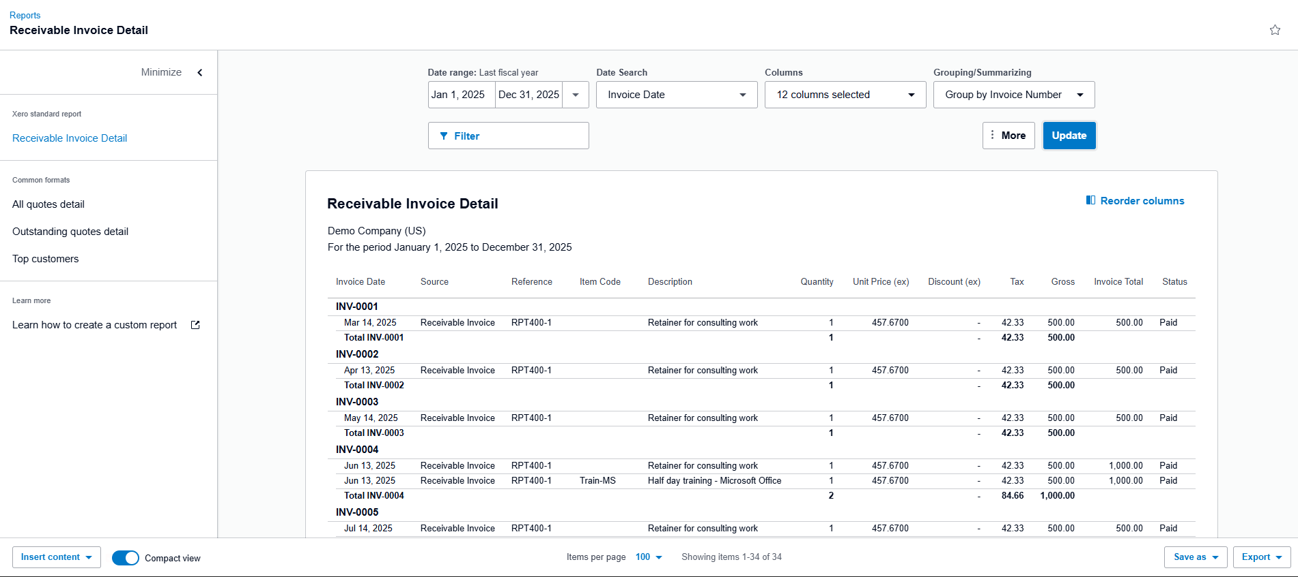
Application Screen / Report Notes
Feature | 12.05 Receivable Invoice Report
Expected Navigation | Accounting / Reports → Receivable Invoice Report
Main Screen Purpose | View customer receivable invoices and the amounts still owed to the business.
Expected Fields / Columns | Customer/contact, invoice number, reference, invoice date, due date, status, total amount, paid amount, amount due, currency/tax columns where available.
Expected Filters | Report date/period, customer/contact, status, grouping, columns, and export/print options where available.
Important Validation | The report should show receivable/customer invoices only and should not show supplier bills or accounts payable records.
Expected Output | Receivable invoice list with accurate statuses, outstanding balances, subtotals, and report totals.
Screenshot Evidence Needed | Attach screenshots of the report page, selected filters, displayed rows/totals, and exported output if tested.

Test Design
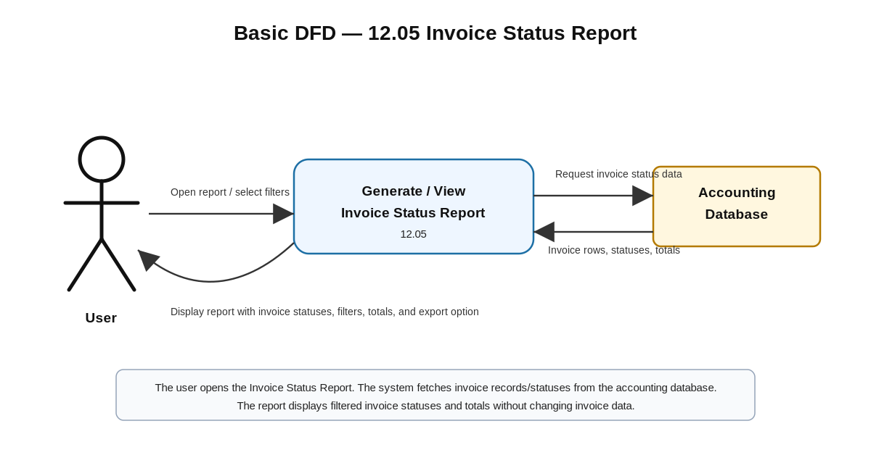
Test Design Title | TD_12.05 Receivable Invoice Report
Feature ID | 12.05
Feature Name | Receivable Invoice Report
Module | 12 - Accounting Reports
Scope | Verify report access, receivable invoice display, date/filter behavior, status display, receivable-only data, calculated totals, and report output/export.
Out of Scope | Creating invoices, editing invoices, recording customer payments, approving invoices, deleting invoices, and changing invoice statuses directly.
Test Approach | Functional UI testing, report validation, entitlement testing, status validation, calculation verification, filter validation, and export/output validation.
Test Data | Use test/demo customer invoices with multiple statuses such as Awaiting Payment, Overdue, Paid, Draft/Void where available, and known total/due amounts.
Environment | Xero Demo Company / test company with Accounting Reports enabled.
Risks | Incorrect report selected, payables included by mistake, stale report data, incorrect filter behavior, incorrect amount due/totals, and unauthorized access.
RCT Traceability | 12.05 Receivable Invoice Report; ET-Entitlements, STS-Status, CL-Calculations, CN-Connectivity, DF-In.

Test Case ID | Test Case Title
TC_12.05_01 | Authorized user opens the Receivable Invoice Report
TC_12.05_02 | Verify receivable invoice rows, filters, and status values
TC_12.05_03 | Verify receivable report totals, date range, and export/output behavior

